Coronavirus analysis
 |  | Return to contents
Volume of residential property sales: Scotland, since April 2017, monthly data
These statistics include all market value residential sales in Scotland between £20,000 and £1,000,000 and are based on date of registration with Registers of Scotland.

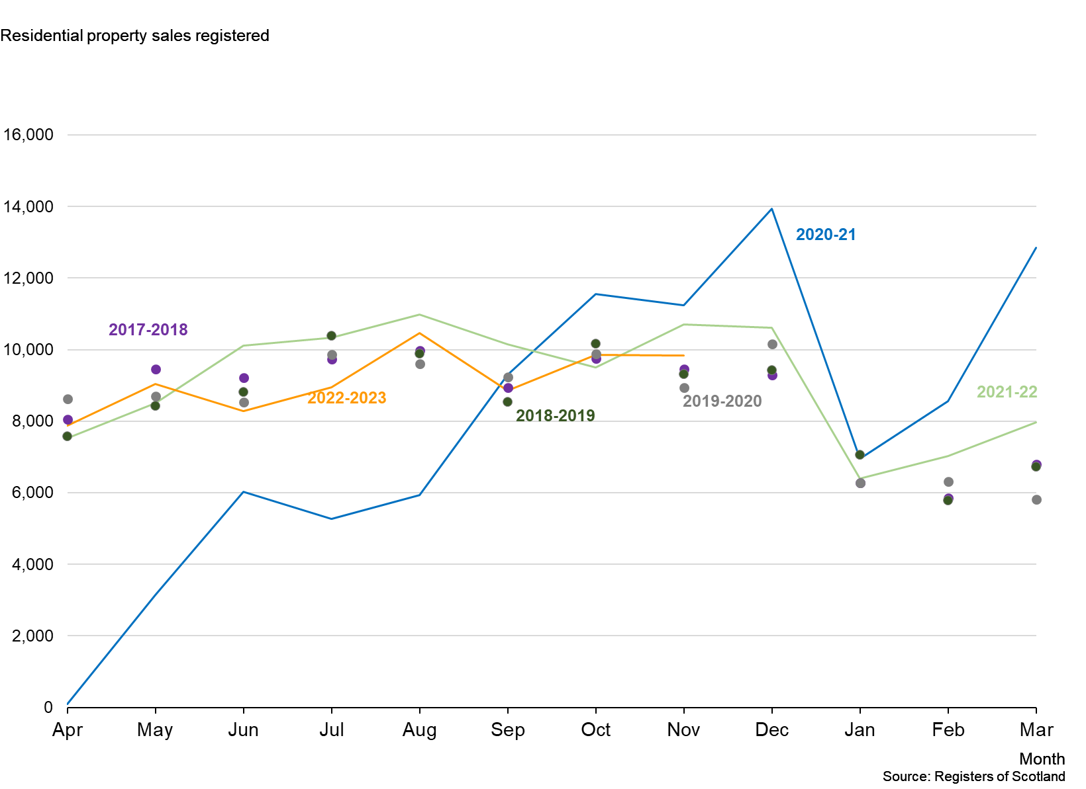
Date | Volume of residential property sales

2017-04-01 | 8,050
2017-05-01 | 9,466
2017-06-01 | 9,215
2017-07-01 | 9,739
2017-08-01 | 9,980
2017-09-01 | 8,940
2017-10-01 | 9,745
2017-11-01 | 9,451
2017-12-01 | 9,295
2018-01-01 | 6,282
2018-02-01 | 5,848
2018-03-01 | 6,787
2018-04-01 | 7,580
2018-05-01 | 8,434
2018-06-01 | 8,815
2018-07-01 | 10,398
2018-08-01 | 9,890
2018-09-01 | 8,548
2018-10-01 | 10,165
2018-11-01 | 9,320
2018-12-01 | 9,421
2019-01-01 | 7,064
2019-02-01 | 5,784
2019-03-01 | 6,740
2019-04-01 | 8,628
2019-05-01 | 8,704
2019-06-01 | 8,539
2019-07-01 | 9,877
2019-08-01 | 9,626
2019-09-01 | 9,239
2019-10-01 | 9,897
2019-11-01 | 8,952
2019-12-01 | 10,171
2020-01-01 | 6,268
2020-02-01 | 6,312
2020-03-01 | 5,811
2020-04-01 | 100
2020-05-01 | 3,158
2020-06-01 | 6,076
2020-07-01 | 5,294
2020-08-01 | 5,952
2020-09-01 | 9,322
2020-10-01 | 11,587
2020-11-01 | 11,262
2020-12-01 | 13,962
2021-01-01 | 6,969
2021-02-01 | 8,588
2021-03-01 | 12,882
2021-04-01 | 7,556
2021-05-01 | 8,536
2021-06-01 | 10,137
2021-07-01 | 10,358
2021-08-01 | 11,007
2021-09-01 | 10,171
2021-10-01 | 9,545
2021-11-01 | 10,729
2021-12-01 | 10,645
2022-01-01 | 6,417
2022-02-01 | 7,054
2022-03-01 | 8,025
2022-04-01 | 7,902
2022-05-01 | 9,089
2022-06-01 | 8,320
2022-07-01 | 8,983
2022-08-01 | 10,482
2022-09-01 | 8,863
2022-10-01 | 9,855
2022-11-01 | 9828

